Sheet1

 |  | Grindrod Elementary School - Order Form 2022 |  |  |  | ORDER DEADLINE:
 |  | Please complete and submit this form to the office with cash or
 |  | cheque. Cheques to be made out to grindrod Elementary School
 |  | Size up samples are available in the office.
 |  | Prices are tax-in.

Student Name: |  |  |  |  | Grade:
Phone: |  |  |  |  | Teacher:

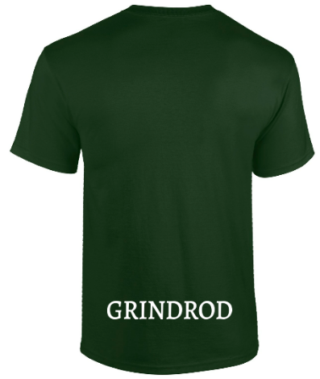
T-Shirts - cotton
Colour | Quantity | Size | Price | Total
Black ADULT |  | S□, M□, L□, XL□, 2XL□ | $22.00
Forest Green ADULT only |  | S□, M□, L□, XL□, 2XL□ | $22.00
Black YOUTH |  | S□, M□, L□ | $20.00
Adult/Unisex SIZE UPCHARGE, for 2XL add $4.00 each, for 3XL add $7.00 each |  |  | ADD
Pullover Hooded Sweatshirt
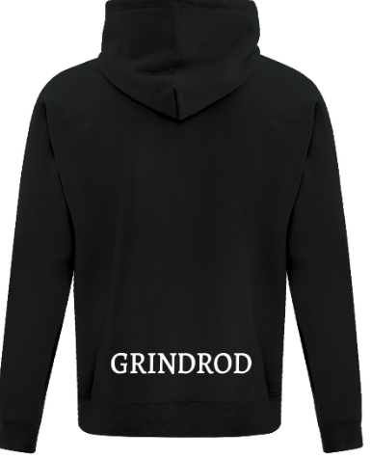
Colour | Quantity | Size | Price | Total
Black ADULT |  | S□, M□, L□, XL□, 2XL□ | $40.00
Forest Green ADULT |  | S□, M□, L□, XL□, 2XL□ | $40.00
Black YOUTH |  | S□, M□, L□, XL□ | $40.00
Forest Green YOUTH |  | S□, M□, L□, XL□ | $40.00
Adult/Unisex SIZE UPCHARGE, for 2XL add $7.00 each, for 3XL add $8.00 each |  |  | ADD
Crewneck Sweatshirt
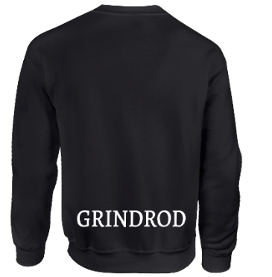
Colour | Quantity | Size | Price | Total
Black ADULT |  | S□, M□, L□, XL□, 2XL□, 3XL | $35.00
Forest Green ADULT only |  | S□, M□, L□, XL□, 2XL□, 3XL | $35.00
Black YOUTH |  | S□, M□, L□, XL□ | $35.00
Adult/Unisex SIZE UPCHARGE, 2XL, 3XL add per piece |  |  | $4.00

 | Total Items | Total Paid | Cash | Cheque
 |  |  | □ | □ | V1-2022

